Login Page
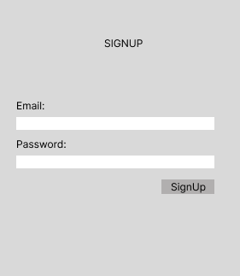
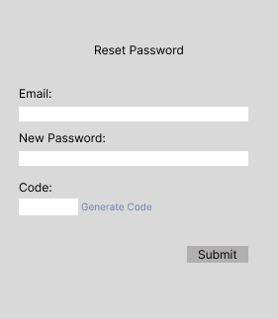
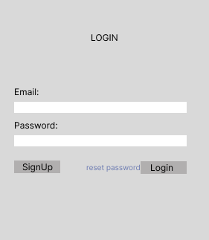
No | Wireframe Data | Source | Query | Script |  | Parameter | Data Type
1 | Login Page | User | GetUserLogin |  | Input | Email | STRING
 |  |  |  |  |  | Password | STRING
 |  |  |  |  | Output | userSession | STRING

2 | SignUp Page | User | InsertNewUser |  | Input | Email | STRING
 |  |  |  |  |  | Password | STRING
 |  |  |  |  | Output | Message | STRING

3 | Reset Password Page | User | GenerateResetPasswordCode |  | Input | Email | STRING
 |  |  |  |  | Output | Message | STRING
 |  |  | InputUserResetPassword |  | Input | Email | STRING
 |  |  |  |  |  | Password | STRING
 |  |  |  |  | Output | Message | STRING

Product Page
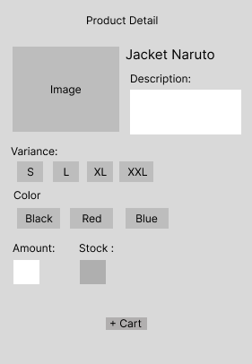
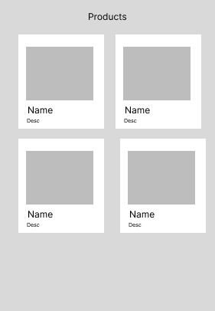

No | Wireframe Data | Source | Query | Script |  | Parameter | Data Type
1 | Product Page | products | GetAllProducts |  | Input
 |  |  |  |  | Output | products | ARRAY

2 | Product Detail Page | products | GetProductDetail |  | input | productId | INT
 |  |  |  |  | Output | name | STRING
 |  |  |  |  |  | description | STRING
 |  |  |  |  |  | imgPath | STRING
 |  |  |  |  |  | Variances | ARRAY
 |  |  |  |  |  | Colors | ARRAY
 |  |  |  |  |  | Stock | INT
 |  | product, carts | InsertUserCart |  | Input | userId | INT
 |  |  |  |  |  | productId | INT
 |  |  |  |  |  | sizeId | INT
 |  |  |  |  |  | colorId | INT
 |  |  |  |  |  | amount | INT
 |  |  |  |  | Output | message | STRING

User List Page
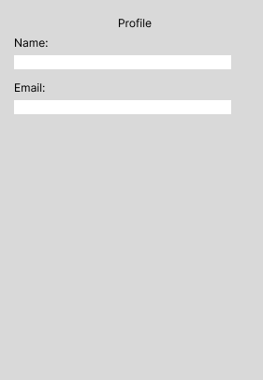
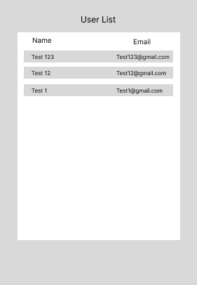

No | Wireframe Data | Source | Query | Script |  | Parameter
1 | User List Page | user | GetAllUsers |  | Input
 |  |  |  |  | Output | users

2 | User Detail | user | GetUserDetail |  | Input | userId
 |  |  |  |  | Output | email
 |  |  |  |  |  | name

Cart
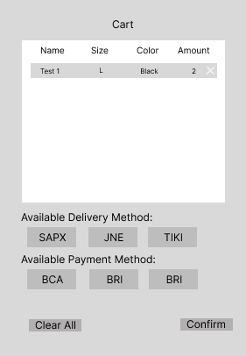

No | Wireframe Data | Source | Query | Script |  | Parameter | Data Type
1 | Cart List | carts | GetCartListByUserId |  | Input | userId | INT
 |  |  |  |  | Output | userCartData | ARRAY OF OBJECT (name, size, color, amount)

2 | Delivery Method List | product_delivery | GetAvailableDeliveryMethodList |  | Input | productId | INT
 |  |  |  |  | Output | deliveryId | INT
 |  |  |  |  |  | deliveryName | STRING

3 | Payment Method | product_payment | GetAvailablePaymentMethodList |  | Input | productId | INT
 |  |  |  |  | Output | paymentId | INT
 |  |  |  |  |  | paymentName | STRING

4 | Clear All Cart | carts | RemoveAllCartByUserId |  | Input | userId | INT
 |  |  |  |  | Output | Message | STRING

5 | Remove Cart | carts | RemoveCartByCartId |  | Input | cartId | INT
 |  |  |  |  | Output | message | STRING

6 | Transact Cart | carts, transacted | UpdateCartToTransacted |  | Input | cartId | ARRAY
 |  |  |  |  |  | deliveryId | INT
 |  |  |  |  |  | paymentId | INT
 |  |  |  |  | Output | message | STRING

Input Product Page
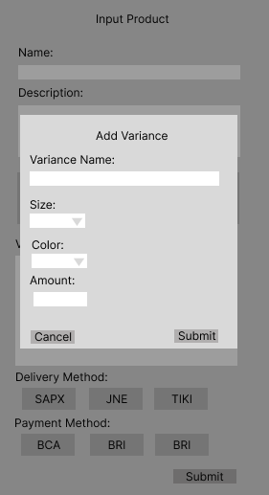
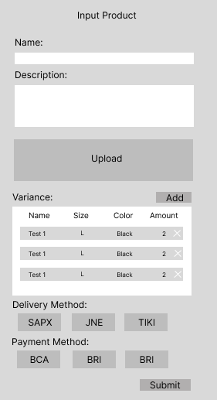

No | Wireframe Data | Source | Query | Script |  | Parameter | Data Type
1 | delivery list | delivery | GetDeliveryList |  | Input
 |  |  |  |  | Output | deliveryList | ARRAY

2 | payment list | payment | GetPaymentList |  | Input
 |  |  |  |  | Output | paymentList | ARRAY

3 | submit product | product, variance | CreateProduct |  | Input | name | STRING
 |  |  |  |  |  | description | STRING
 |  |  |  |  |  | imageBLOB | STRING
 |  |  |  |  |  | variance | ARRAY
 |  |  |  |  |  | deliveryMethod | ARRAY
 |  |  |  |  |  | paymentMethod | ARRAY
 |  |  |  |  | Output | Message

